PNS Schedule
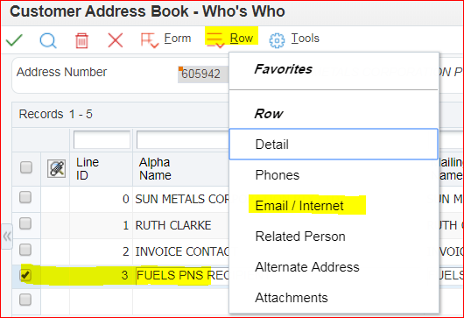
Pricing Officers load in JDE
 |  |  |  |  |  |  |  | PNS SCHEDULE |  | PNS FORMAT TYPE
 |  |  |  |  |  |  |  | Daily Fuel PNS | DAILYF | PNS Format in CSV | F1CSV | Tuesday
 |  |  |  |  |  |  |  | Monthly 26th Fuel | MTH26F | PNS Format in PDF | F1PDF | Wednesday
 |  |  |  |  |  |  |  | Weekly Monday Fuel | WMONF | PNS format in PDF and CSV | F1CSVPDF | Please select
 |  |  |  |  |  |  |  | Please select |  | Please select
Customer | Description | PNS Sched | Description | Status | Price List Name | PNS Format Type | Effective Date | Ending Date | PriceLstID | Rel Ord Type | PNS Add #
This number is for reference only - DOES NOT NEED TO BE ENTERED IN THE PNS SCHEDULE SCREEN | A description of the Price List - DOES NOT NEED TO BE ENTERED IN THE PNS SCHEDULE SCREEN | A look up (UDC code) for the PNS frequency | Leave Blank - this will default based off PNS Schedule | Indicates if the PNS is Active. A= Active N = Non-Active | The Price List Name (Price List ID) crated in the PNS Header | A look up (UDC code) for the PNS frequency. Use F1PDF for Fuels PNS | Leave blank to default to current date | Leave blank to default to JDE end date | The Price List ID created in PNS Header | Enter SP | Address Number for retrieving the PNS recipient email address
0 | 0 | 0 |  | A | 0F | F1PDF |  |  |  | SP | 0

Next Step: set up PNS Recipient eMail Address
1. check if there is a PNS Recipient set up already under the Parent/ST account. Check with onshore pricing team if there is.
2. created PNS recipient under Sold to/Parent number provided in the 'For Account Managers' tab. Add 'FUELS PNS RECIPIENT' under Customer Address Book 'who is who' e.g.:
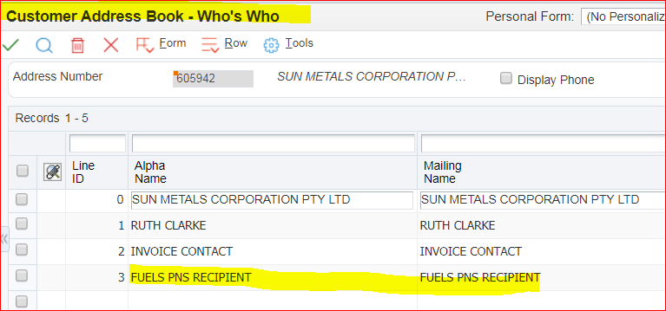
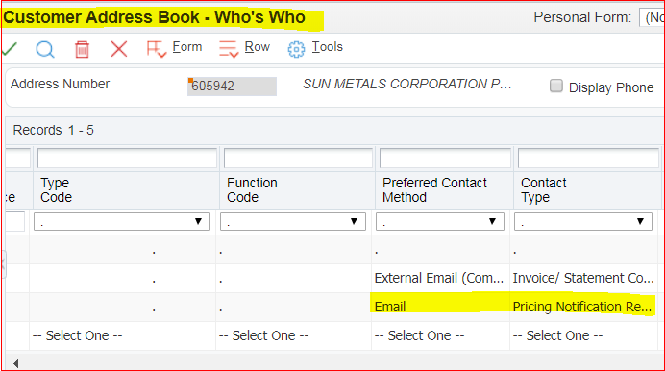

3. Add email address accrodingly:

